Sheet1
 |  |  |  |  |  |  |  |  |  |  |  |  |  |  | reference | Pyr temperature | Time
 | ID_Lehmann2019 | Reference | Feedstock | Pyrolysis temperature | Other Description | Time of experiment (yrs) | Fpermp | Temperature | categories | 450 | 600 |  |  |  |  |  | ,
 |  |  |  | [°C] |  |  | [g/g] | group |  |  | Fpermp [g/g] |  |  |  |  |  | (years)
raw data received | I1 | Dharmakeerthi et al 2015 | Mango wood | 500 | without sugar cane | 7.1 | 0.2 | medium | 2.0066685946 | 22 | 0.091 | low |  | 0.65 | Dharmakeerthi | 500 | 0.84
raw data received | I2 | Dharmakeerthi et al 2015 | Mango wood | 500 | with sugar cane | 7.1 | 0.1 | medium | 9.2544346935 | 29 | 0.319 | medium | IPPC appendix | 0.8 | Dharmakeerthi | 500 | 0.82
raw data received [2014] | I3 | Fang et al 2013 | Eucalyptus wood | 400 | Inceptisol | 1.0 | 0.1 | low | 3.2247040327 | 8 | 0.403 | high |  | 0.89 | Fang et al 2013 | 400 | 0.80
raw data received [2014] | I4 | Fang et al 2013 | Eucalyptus wood | 550 | Inceptisol | 1.0 | 0.2 | medium |  |  |  |  |  |  | Fang et al 2013 | 550 | 0.85
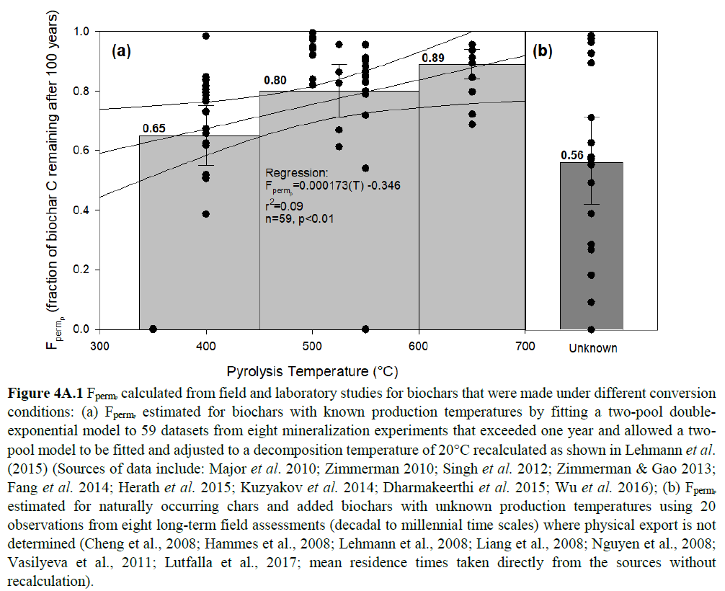
raw data received [2014] | I5 | Fang et al 2013 | Eucalyptus wood | 400 | Entisol | 1.0 | 0.1 | low |  |  |  |  |  |  | Fang et al 2013 | 400 | 0.77
raw data received [2014] | I6 | Fang et al 2013 | Eucalyptus wood | 550 | Entisol | 1.0 | 0.4 | medium |  |  |  |  |  |  | Fang et al 2013 | 550 | 0.91
raw data received [2014] | I7 | Fang et al 2013 | Eucalyptus wood | 400 | Oxisol | 1.0 | 0.1 | low |  |  |  |  |  |  | Fang et al 2013 | 400 | 0.79
raw data received [2014] | I8 | Fang et al 2013 | Eucalyptus wood | 550 | Oxisol | 1.0 | 0.4 | medium |  |  |  |  |  |  | Fang et al 2013 | 550 | 0.91
raw data received [2014] | I9 | Fang et al 2013 | Eucalyptus wood | 400 | Vertisol | 1.0 | 0.1 | low |  |  |  |  |  |  | Fang et al 2013 | 400 | 0.77
raw data received [2014] | I10 | Fang et al 2013 | Eucalyptus wood | 550 | Vertisol | 1.0 | 0.3 | medium |  |  |  |  |  |  | Fang et al 2013 | 550 | 0.88
raw data received [2014] | I11 | Fang et al 2013 | Eucalyptus wood | 400 | Inceptisol | 1.0 | 0.0 | low |  |  |  |  |  |  | Fang et al 2013 | 400 | 0.66
raw data received [2014] | I12 | Fang et al 2013 | Eucalyptus wood | 550 | Inceptisol | 1.0 | 0.4 | medium |  |  |  |  |  |  | Fang et al 2013 | 550 | 0.90
raw data received [2014] | I13 | Fang et al 2013 | Eucalyptus wood | 400 | Entisol | 1.0 | 0.0 | low |  |  |  |  |  |  | Fang et al 2013 | 400 | 0.51
raw data received [2014] | I14 | Fang et al 2013 | Eucalyptus wood | 550 | Entisol | 1.0 | 0.1 | medium |  |  |  |  |  |  | Fang et al 2013 | 550 | 0.79
raw data received [2014] | I15 | Fang et al 2013 | Eucalyptus wood | 400 | Oxisol | 1.0 | 0.0 | low |  |  |  |  |  |  | Fang et al 2013 | 400 | 0.67
raw data received [2014] | I16 | Fang et al 2013 | Eucalyptus wood | 550 | Oxisol | 1.0 | 0.1 | medium |  |  |  |  |  |  | Fang et al 2013 | 550 | 0.80
raw data received [2014] | I17 | Fang et al 2013 | Eucalyptus wood | 400 | Vertisol | 1.0 | 0.0 | low |  |  |  |  |  |  | Fang et al 2013 | 400 | 0.39
raw data received [2014] | I18 | Fang et al 2013 | Eucalyptus wood | 550 | Vertisol | 1.0 | 0.0 | medium |  |  |  |  |  |  | Fang et al 2013 | 550 | 0.72
 | I19 | Herath et al 2014 | Corn stover | 350 | Alfisol | 1.4 | 0.0 | low |  |  |  |  |  |  | Herath | 350 | 0.003420 | paper says | 20%
 | I20 | Herath et al 2014 | Corn stover | 550 | Alfisol | 1.4 | 0.0 | medium |  |  |  |  |  |  | Herath | 550 | 0.001640 |  | 53%
 | I21 | Herath et al 2014 | Corn stover | 350 | Andisol | 1.4 | 0.0 | low |  |  |  |  |  |  | Herath | 350 | 0.000209 |  | 50%
 | I22 | Herath et al 2014 | Corn stover | 550 | Andisol | 1.4 | 0.0 | medium |  |  |  |  |  |  | Herath | 550 | 0.000052 |  | 50%
 | I23 | Kuzyakov et al 2014 | Lolium Perenne | 400 |  |  | 0.8 | low |  |  |  |  |  |  | Kuzyakov | 400 | 0.98 | << but I calculate 65%, and Bird calculates range 65-70%
mailed, raw data lost | I24 | Wu et al 2016 | Rice straw | 500 | Soil LN | 1.1 | 0.6 | medium |  |  |  |  |  |  | Lu et al 2016 | 500 | 0.94
mailed, raw data lost | I25 | Wu et al 2017 | Rice straw | 500 | Soil SD | 1.1 | 0.8 | medium |  |  |  |  |  |  | Lu et al 2016 | 500 | 0.98
mailed, raw data lost | I26 | Wu et al 2018 | Rice straw | 500 | Soil JS | 1.1 | 0.8 | medium |  |  |  |  |  |  | Lu et al 2016 | 500 | 0.97
mailed, raw data lost | I27 | Wu et al 2019 | Rice straw | 500 | Soil ZJ | 1.1 | 0.6 | medium |  |  |  |  |  |  | Lu et al 2016 | 500 | 0.95
mailed, raw data lost | I28 | Wu et al 2020 | Rice straw | 500 | Soil GD | 1.1 | 0.4 | medium |  |  |  |  |  |  | Lu et al 2016 | 500 | 0.92
raw data received | I29 | Major et al 2010 | Woody | 500 |  | 2.0 | 1.0 | medium |  |  |  |  |  |  | Major | 500 | 0.99
 | I30 | Singh et al 2012 | Eucalyptus wood | 400 | activated | 5.0 | 0.2 | low |  |  |  |  |  |  | Singh | 400 | 0.85
 | I31 | Singh et al 2012 | Eucalyptus wood | 550 | activated | 5.0 | 0.7 | medium |  |  |  |  |  |  | Singh | 550 | 0.95
 | I32 | Singh et al 2012 | Eucalyptus wood | 400 | not activated | 5.0 | 0.2 | low |  |  |  |  |  |  | Singh | 400 | 0.83
 | I33 | Singh et al 2012 | Eucalyptus wood | 550 | not activated | 5.0 | 0.7 | medium |  |  |  |  |  |  | Singh | 550 | 0.96
 | I34 | Singh et al 2012 | Eucalyptus leaves | 400 | activated | 5.0 | 0.1 | low |  |  |  |  |  |  | Singh | 400 | 0.80
 | I35 | Singh et al 2012 | Eucalyptus leaves | 550 | activated | 5.0 | 0.4 | medium |  |  |  |  |  |  | Singh | 550 | 0.90
 | I36 | Singh et al 2012 | Papermill sludge | 550 | activated | 5.0 | 0.0 | medium |  |  |  |  |  |  | Singh | 550 | 0.54
 | I37 | Singh et al 2012 | Lolium Perenne | 400 | not activated | 5.0 | 0.0 | low |  |  |  |  |  |  | Singh | 400 | 0.62
Pyrolysis Temperature x F_perm (IPCC 2019)
 | I38 | Singh et al 2012 | Poultry litter | 550 | activated | 5.0 | 0.3 | medium |  |  |  |  |  |  | Singh | 550 | 0.83
 | I39 | Singh et al 2012 | Cow manure | 400 | not activated | 5.0 | 0.0 | low |  |  |  |  |  |  | Singh | 400 | 0.52
 | I40 | Singh et al 2012 | Cow manure | 550 | activated | 5.0 | 0.2 | medium |  |  |  |  |  |  | Singh | 550 | 0.86
mailed, data not received | I41 | Zimmerman and Gao, 2013 | Grass | 400 |  | 3.2 | 0.0 | low |  |  |  |  |  |  | Zimmer and Gao | 400 | 0.62
mailed, data not received | I42 | Zimmerman and Gao, 2013 | Grass | 525 |  | 3.2 | 0.2 | medium |  |  |  |  |  |  | Zimmer and Gao | 525 | 0.83
mailed, data not received | I43 | Zimmerman and Gao, 2013 | Grass | 650 |  | 3.2 | 0.8 | high |  |  |  |  |  |  | Zimmer and Gao | 650 | 0.96
mailed, data not received | I44 | Zimmerman and Gao, 2013 | Oak | 400 |  | 3.2 | 0.1 | low |  |  |  |  |  |  | Zimmer and Gao | 400 | 0.73
mailed, data not received | I45 | Zimmerman and Gao, 2013 | Oak | 525 |  | 3.2 | 0.2 | medium |  |  |  |  |  |  | Zimmer and Gao | 525 | 0.86
mailed, data not received | I46 | Zimmerman and Gao, 2013 | Oak | 650 |  | 3.2 | 0.3 | high |  |  |  |  |  |  | Zimmer and Gao | 650 | 0.89
mailed, data not received | I47 | Zimmerman and Gao, 2013 | Oak | 650 | 72hrs | 3.2 | 0.5 | high |  |  |  |  |  |  | Zimmer and Gao | 650 | 0.94
mailed, data not received | I48 | Zimmerman, 2010 | Pine | 400 | 400 | 3.2 | 0.1 | low |  |  |  |  |  |  | Zimmerman, 2010 | 400 | 0.73
mailed, data not received | I49 | Zimmerman, 2010 | Pine | 525 | 525 | 3.2 | 0.2 | medium |  |  |  |  |  |  | Zimmerman, 2010 | 525 | 0.67
mailed, data not received | I50 | Zimmerman, 2010 | Pine | 650 | 650 | 3.2 | 0.7 | high |  |  |  |  |  |  | Zimmerman, 2010 | 650 | 0.84
mailed, data not received | I51 | Zimmerman, 2010 | Pine | 650 | 72hrs | 3.2 | 0.4 | high |  |  |  |  |  |  | Zimmerman, 2010 | 650 | 0.69
mailed, data not received | I52 | Zimmerman, 2010 | Cedar | 400 |  | 1.0 | 0.0 | low |  |  |  |  |  |  | Zimmerman, 2010 | 400 | 0.82
mailed, data not received | I53 | Zimmerman, 2010 | Cedar | 525 |  | 1.0 | 0.0 | medium |  |  |  |  |  |  | Zimmerman, 2010 | 525 | 0.61
mailed, data not received | I54 | Zimmerman, 2010 | Cedar | 650 |  | 1.0 | 0.2 | high |  |  |  |  |  |  | Zimmerman, 2010 | 650 | 0.72
mailed, data not received | I55 | Zimmerman, 2010 | Bubinga | 400 |  | 1.0 | 0.0 | low |  |  |  |  |  |  | Zimmerman, 2010 | 400 | 0.80
mailed, data not received | I56 | Zimmerman, 2010 | Bubinga | 650 |  | 1.0 | 0.1 | high |  |  |  |  |  |  | Zimmerman, 2010 | 650 | 0.80
mailed, data not received | I57 | Zimmerman, 2010 | Sugar cane | 400 |  | 1.0 | 0.0 | low |  |  |  |  |  |  | Zimmerman, 2010 | 400 | 0.84
mailed, data not received | I58 | Zimmerman, 2010 | Sugar cane | 525 |  | 1.0 | 0.0 | medium |  |  |  |  |  |  | Zimmerman, 2010 | 525 | 0.96
mailed, data not received | I59 | Zimmerman, 2010 | Sugar cane | 650 |  | 1.0 | 0.1 | high |  |  |  |  |  |  | Zimmerman, 2010 | 650 | 0.91

